Sheet1
 |  | Document No. | Issue No. | Issue Date |  | Review and Replace Date |  | Authorised By
 |  | GFF207MC | 3 | 10.09.2020 |  | 22.12.2021 |  | Magda Shah
 |  | Document Title | INDIAN SELECTION WITH TAMARIND DIP 210g

Document amendments reason for change |  | Film Updated | Page 1 of 1 |  | Previous Issue Date |  | 07.10.2021 | Uncontrolled copy unless signed original

CINSC2-R4TCC | CHEFS CREATION |  | INDIAN SELECTION WITH TAMARIND DIP 210g | CHILLED
STEP 1 |  |  |  |  | STEP 2
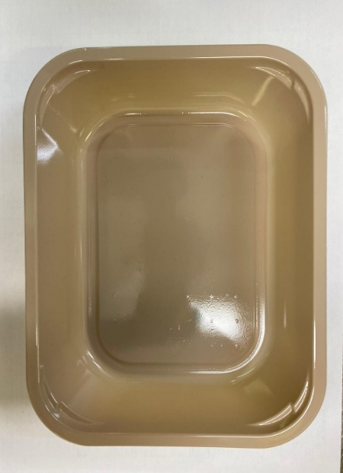 |  |  |  |  | 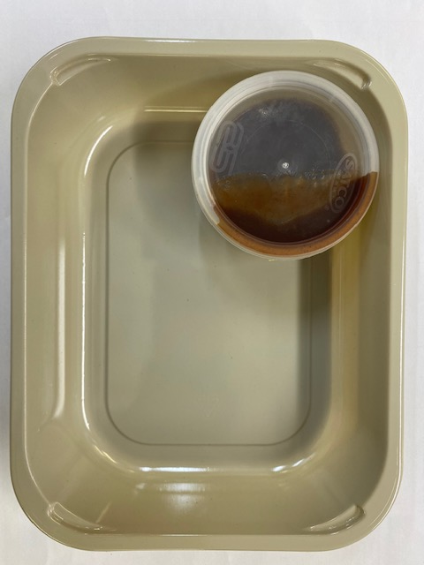

Tray: EVOLVE CPET 2200-1E (PKRHP001-08) |  |  |  |  | Tamarind Dip (RMP&B001-04): 40g

Film: K peel 7G+25A/f- 275mm (275 mmX1000) (PKKMP001-03)

STEP 3 |  |  | STEP 4 |  |  |  | STEP 5
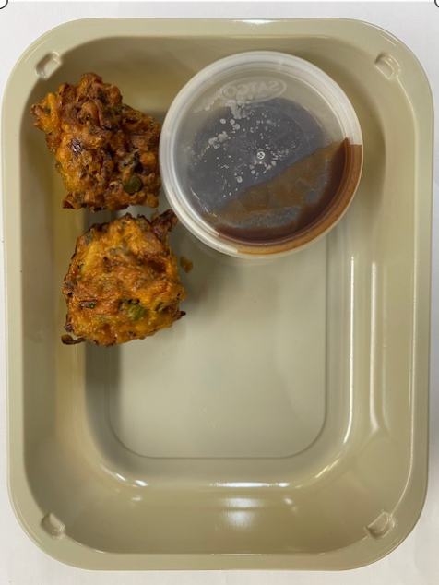 |  |  | 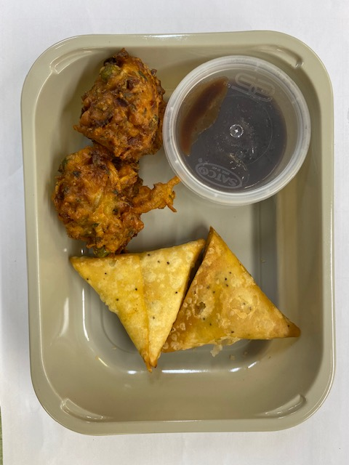 |  |  |  | 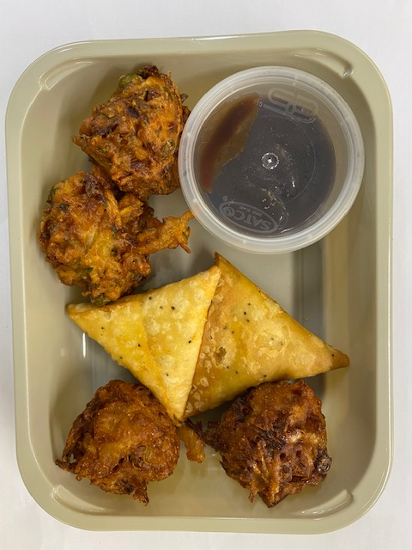

Vegetable Pakora (GFF122R): 2 x 30g |  |  | Vegetable Samosa W/ Seeded Pastry (CC) (GFF239R): 2 x 25g |  |  |  | Onion Bhaji (GFF121R): 2 x 30g
 |  |  |  |  |  |  | Satco 2oz Pots with Lids (PKJEN001-03)
 |  |  |  |  |  |  | TOTAL WEIGHT: 210g
ALLERGY ALERT: WHEAT

